a
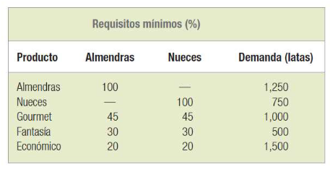

Mín Z=costo de materia prima | Mín Z=0.85a+0.65n+0.35c | Mín Z=0.85a+0.65n+0.35c | Z | a | n | c
a=libras de almendras | s.a. | s.a. | 3331.6666667 | 2150 | 1650 | 1233.3333333
n=libras de nueces | r1:a<=3000 | r1:a<=3000 | 2150 | 3000
c=libras de cacahuates | r2: n<=2000 | r2: n<=2000 | 1650 | 2000
 | r3: a>=1250 | r5: 0.45a+0.45n+0.1c>=1000 | 1833.3333333 | 1000
 | r4: n>=750 | r6: 0.3a+0.3n+0.4c>=500 | 1880 | 500
 | r5: 0.45a+0.45n+0.1c>=1000 | r7: 0.2a+0.2n+0.6c>=1500 | 1500 | 1500
 | r6: 0.3a+0.3n+0.4c>=500 | r8: a>=2150 | 2150 | 2150
 | r7: 0.2a+0.2n+0.6c>=1500 | r9: n>=1650 | 1650 | 1650
 | r8: a>=2150 | r10: c>=1200 | 1233.3333333 | 1200
 | r9: n>=1650 | r11,12,13: a,n,c>=0
 | r10: c>=1200
 | r11,12,13: a,n,c>=0

